20261020 Agenda #183
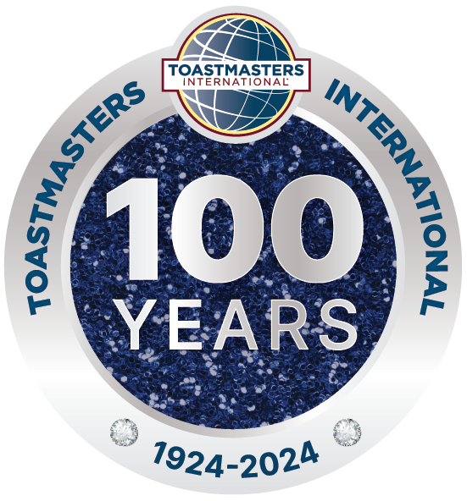
 |  | Claude Toastmasters
 |  | Date & Time: 2026/10/20 7:00-9:00 pm
 |  | Venue: No. 242, Sec. 2, Wenhua Rd., Banqiao Dist., 新北市板橋區文化路二段242號6樓
 |  | Meeting: #183 (meets every 1st/3rd Tuesday)

 |  | Meeting Theme: The best Investment |  | Admission: FREE!!
 |  | Theme Question: What's the best investment you've ever made in your life? It doesn't have to be financial — it could be an investment in your education, health, relationships, experiences, or even yourself. Why was it worth it? |  | Club No: 07701248 Since 2020/01
Time | Min | Session |  | Session Host
19:10:00 | 1 | Call the Meeting to Order | S.A.A | Irene Huang
19:12:00 | 5 | Open Remark / Guest Introduction | President | Thomas Wu
19:18:00 | 3 | Toastmaster of the Evening Opening | TME | Tim Chen
19:22:00 | 2 | Timer's Introduction | Timer | Lily Chan
19:25:00 | 2 | Ah Counter's Introduction | Ah Counter | RJ Wan
19:28:00 | 2 | Word of the Day | Language Evaluator | Michael Yu (Online)
19:31:00 | 2026-04-05 | News Master | News Master | Amelia Chen
Prepared Speech. Timer Cards: Green: 5 min; Yellow: 6 min; Red: 7 min
19:37:00 | 2026-04-06 | Speech #1: (VC 1-1) Some Little Things About Rachel | Speaker #1 | Rachel Lin
19:44:00 | 2026-05-07 | Speech #2: (DL 3-3) Happy running, Happy mommy | Speaker #2 | Judy Liang
19:52:00 | 2026-05-07 | Speech #3: (EH 1-2) My dive log #250 and the unexpected dive buddy. | Speaker #3 | Carol Chou
20:00:00 | 10 | Group Photo & Intermission
Table Topic Speech. Timer Cards: Green: 1 min; Yellow: 1.5 min; Red: 2 min
20:11:00 | 15 | Table Topic Session | Table Topic Master | Michael Mei
Evaluation. Timer Cards: Green: 2 min; Yellow: 2.5 min; Red: 3 min
20:27:00 | 2025-02-03 | General Evaluation Opening | General Evaluator | Thomas Wu
20:31:00 | 2025-02-03 | Speech Evaluator #1: L1P1 - Ice Breaker | Individual Evaluator #1 | May Lee
20:35:00 | 2025-02-03 | Speech Evaluator #2: L3P3 - Using Presentation Software | Individual Evaluator #2 | Helen Chi
20:39:00 | 2025-02-03 | Speech Evaluator #3: L1P2 - Writing a Speech with Purpose | Individual Evaluator #3 | Kenneth Lee
20:43:00 | 2025-04-05 | Language Evaluation | Language Evaluator | Michael Yu (Online)
20:49:00 | 3 | Timer & Ah Counter Report | Timer & Ah Counter | Lily/ Michelle
20:53:00 | 2025-04-05 | General Evaluation | General Evaluator | Thomas Wu
20:59:00 | 3 | Member Achievement & Recognition | President | Thomas Wu
21:03:00 | 10 | Guest feedback & Announcement | President | Thomas Wu
Meeting Adjourned

Toastmasters Club Mission
We provide a supportive and positive learning experience in which members are empowered to develop communication and leadership skills, resulting in greater self-confidence and personal growth.
Officer Team
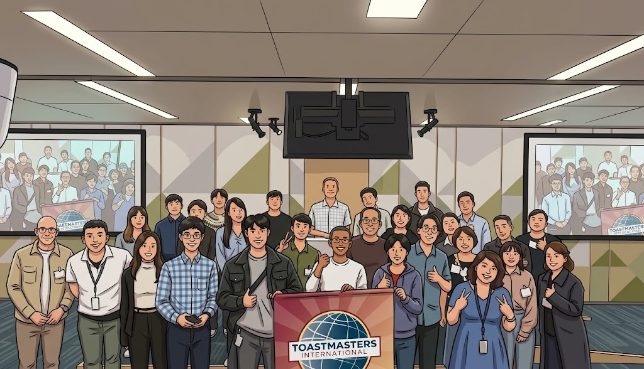
President |  | Thomas Wu
VP of Education |  | Nicky Lu, Johnson Yang
VP of PR |  | Sara Lan, Irene Huang
VP of Membership |  | Michael Mei, Lilian Kim
Secretary |  | Helen Chi
Treasurer |  | Kenneth Lee
Sergeant At Arms |  | Irene Huang
The Speech Objectives
Ice Breaker |  | This foundational project is designed to introduce you to your club and the skills you need to begin your Toastmasters journey.
Using Presentation Software |  | This project addresses the use of presentation software—from identifying topics that benefit from the use of technology to effective slide design and presentation.
Writing a Speech with Purpose |  | This project addresses topic selection strategies, how to define the purpose of your speech, and methods for producing a well-organized speech.
Toastmasters Pathway
DL |  | Dynamic Leadership / 活力領導
EH |  | Engaging Humor / 善用幽默
MS |  | Motivational Strategies / 激勵策略
PM |  | Presentation Mastery / 精通演講
PI |  | Persuasive Influence / 說服影響
VC |  | Visionary Communication / 願景溝通
Resources
  Claude FB |  |  Meeting feedback |   Document center |   Claude Line Group

